TEDB Edition 40
Household vehicles fueled with gasoline were driven an average of 11,103 miles in 2017, while electric vehicles were driven an average of 10,582.

Figure 9.8. Annual Vehicle Miles of Travel by Fuel Type, 2017 NHTS

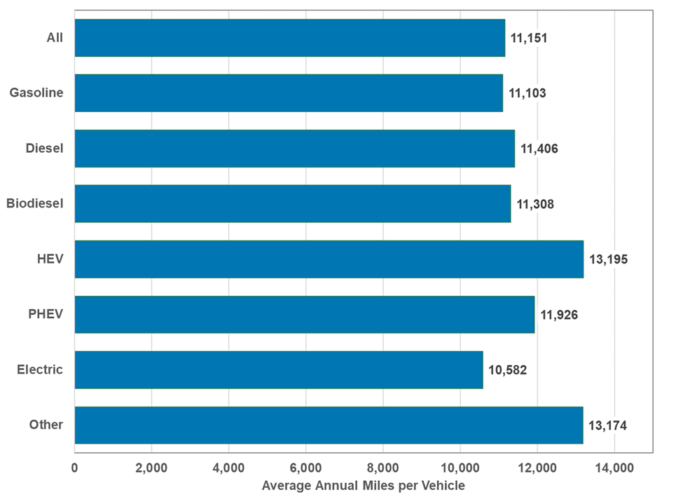

Fuel type | Average annual miles per vehicle
Gasoline | 11,103
Diesel | 11,406
Biodiesel | 11,308
HEV | 13,195
PHEV | 11,926
Electric | 10,582
Other | 13,174
All | 11,151

Note: HEV = hybrid-electric vehicle. PHEV = plug-in hybrid vehicle. Includes household vehicles only.

Source:
Generated from the 2017 National Household Travel Survey website nhts.ornl.gov.

